Markers
 | value stated | performed | not mentioned
Viability | 34 | 11 | 39
CD73 | 34 | 12 | 38
CD90 | 36 | 11 | 37
CD105 | 36 | 11 | 37
CD34 | 29 | 6 | 49
CD45 | 34 | 5 | 45
CD11b | 5 | 1 | 78
CD14 | 14 | 2 | 68
CD79α | 4 | 1 | 79
CD19 | 11 | 3 | 70
HLA-DR | 17 | 2 | 65
CD13 | 3 | 2 | 79
CD31 | 7 | 3 | 74
CD133 | 2 | 0 | 82
CD166 | 7 | 1 | 76
CD29 | 6 | 5 | 73
CD44 | 8 | 8 | 68
CD146 | 1 | 0 | 83
CD 271 | 0 | 0 | 84
CD317 | 0 | 0 | 84
STRO-1 | 0 | 1 | 83
MSCA-1 | 0 | 0 | 0
SSEA-4 | 0 | 0 | 0

 | mentioned | performed | not mentioned
Osteogenesis | 12 | 10 | 62
Adipogenesis | 12 | 10 | 62
Chondrogenesis | 10 | 6 | 68
Other functionality | 3 | 2 | 79

Phase
 |  | Phase x Characterisation

Characterisation Type by Clinical Phase
 | I | I/IIa | II | IIb | III | IIa | Total
n | 12 | 12 | 12 | 2 | 1 | 1 | 40
s | 2 | 3 | 2 | 0 | 0 | 0 | 7
o | 3 | 6 | 4 | 1 | 1 | 1 | 16
t | 3 | 5 | 2 | 0 | 0 | 0 | 10
y | 5 | 2 | 2 | 0 | 0 | 2 | 11
Total | 25 | 28 | 22 | 3 | 2 | 4 | 84
Phase | Test Results?
I | n | Phase | n | s | o | t | y | Total | Phase | No of trials
I | n | I | 12 | 2 | 3 | 3 | 5 | 25 | I | 25
I | y | I/IIa | 12 | 3 | 6 | 5 | 2 | 28 | I/IIa | 28
I | n | II | 12 | 2 | 4 | 2 | 2 | 22 | II | 22
I | n | IIb | 2 | 0 | 1 | 0 | 0 | 3 | IIb | 3
I | s | III | 1 | 0 | 1 | 0 | 0 | 2 | III | 2
I | y | IIa | 1 | 0 | 1 | 0 | 2 | 4 | IIa | 4
I | s | Total | 40 | 7 | 16 | 10 | 11 | 84 | Total | 84
I | o
I | o
I | n | Phase (condensed) x Characterisation
I | y | Rationalised phase categories: I and I/IIa become Phase I; IIa, IIb, II all become Phase II
I | t | Phase | n | s | o | t | y | Total | Phase | No of trials
I | y | I | 24 | 5 | 9 | 8 | 7 | 53 | I | 53
I | n | II | 15 | 2 | 6 | 2 | 4 | 29 | II | 29
I | n | III | 1 | 0 | 1 | 0 | 0 | 2 | III | 2
I | n | Total | 40 | 7 | 16 | 10 | 11 | 84
Type of Characterisation by Phase
 | n | s | o | t | y
I | 24 | 5 | 9 | 8 | 7
II | 15 | 2 | 6 | 2 | 4
III | 1 | 0 | 1 | 0 | 0
Total | 40 | 7 | 16 | 10 | 11
I | t
I | t
I | y
I | n
I | n |  | I | II | III
I | n | n | 24 | 15 | 1
I | o | s | 5 | 2 | 0
I | n | o | 9 | 6 | 1 |  |  | % sot
I/IIa | n | t | 8 | 2 | 0 |  | Ph I | 41.5
I/IIa | o | y | 7 | 4 | 0 |  | II | 34.5
I/IIa | t | Total | 53 | 29 | 2 |  | III | 50
I/IIa | y
I/IIa | n
I/IIa | n
I/IIa | t
I/IIa | s
I/IIa | o
Type of Charactersation by Phase
 | I | II | III
n | 24 | 15 | 1
s | 5 | 2 | 0
o | 9 | 6 | 1
t | 8 | 2 | 0
y | 7 | 4 | 0
I/IIa | s
I/IIa | t
I/IIa | n
I/IIa | n
I/IIa | n
I/IIa | y
I/IIa | t
I/IIa | o
I/IIa | n
I/IIa | t
I/IIa | n
I/IIa | n
I/IIa | n
I/IIa | o
I/IIa | o
I/IIa | s
I/IIa | o
I/IIa | n
I/IIa | n
II | s
II | n
II | s
II | o
II | n
II | n
II | n
II | y
II | y
II | n
II | t
II | n
II | n
II | n
II | n
II | n
II | o
II | t
II | o
II | n
II | o
II | n
IIa | o
IIa | y
IIa | y
IIa | n
IIb | n
IIb | n
IIb | o
III | n
III | o

Country
Types of Analysis Reported
 | N | %
n | 40 | 47.619047619
s | 7 | 8.3333333333
o | 16 | 19.047619048
t | 10 | 11.904761905
y | 11 | 13.095238095
total | 84 | 100
Australia | s
Brazil | n | y = actual phenotypic marker values reported
Brazil | n | n = average value - specification or measured results
Canada | n | s = statement re "standard phenotype"/ref to literature
Chile | n | o = not discussed
China | n | t = stated tests done but no results
China | n
China | n
China | n
China | n
China | n
China | n
China | n
China | n
Denmark | n
Denmark | n
Denmark | n
Greece | n
India | n
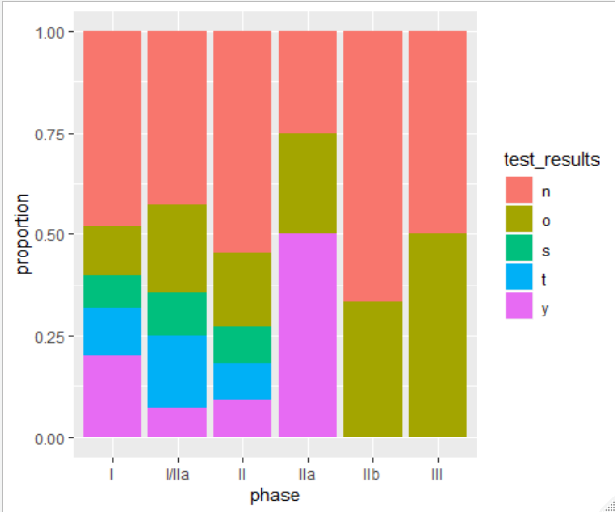
India | n
Indonesia | n
Italy | n
Korea | n
Korea | n
Korea | n
Korea | n
Korea | n
Pakistan | n
Poland | n
Rep Korea | n
Russia | n
Spain | n
Spain | n
Spain | n
Spain | n
Taiwan | n
Taiwan | n
USA | n
USA | n
USA | n
USA | n
China | o
China | o
Denmark | o
Germany | o
Israel | o
Japan | o
multi | o
Netherlands | o
Poland | o
Russia | o
USA | o
USA | o
USA | o
USA | o
USA | o
USA | o
China | s
China | s
Netherlands | s
Rep Korea | s
Spain | s
Spain | s
China | t
Egypt | t
Egypt | t
Iran | t
Spain | t
Spain | t
Spain | t
Taiwan | t
Turkey | t
Vietnam | t
Brazil | y
China | y
Denmark | y
France & Germany | y
India | y
Japan | y
Korea | y
Poland | y
Rep Korea | y
UK | y
USA | y

Tissue
Tissue Source
 | BM | AD | UC | WJ | CB | NS
2010 | 2 | 0 | 0 | 0 | 0 | 0
2011 | 3 | 1 | 0 | 1 | 0 | 0
2012 | 3 | 0 | 0 | 0 | 0 | 0
2013 | 6 | 4 | 2 | 1 | 0 | 0
2014 | 9 | 2 | 1 | 0 | 0 | 1
2015 | 5 | 1 | 1 | 2 | 0 | 0
2016 | 7 | 5 | 0 | 0 | 0 | 0
2017 | 11 | 3 | 1 | 2 | 0 | 0
2018 | 4 | 0 | 0 | 1 | 1 | 0
2019 | 2 | 1 | 0 | 1 | 0 | 0
 | BM | AD | UC | WJ | CB | NS
2010 | 2 | 0 | 0 | 0 | 0 | 0
2011 | 3 | 1 | 0 | 1 | 0 | 0
2012 | 3 | 0 | 0 | 0 | 0 | 0
2013 | 6 | 4 | 2 | 1 | 0 | 0
2014 | 9 | 2 | 1 | 0 | 0 | 1
2015 | 5 | 1 | 1 | 2 | 0 | 0
2016 | 7 | 5 | 0 | 0 | 0 | 0
2017 | 11 | 3 | 1 | 2 | 0 | 0
2018 | 4 | 0 | 0 | 1 | 1 | 0
2019 | 2 | 1 | 0 | 1 | 0 | 0

Tissue source over time
 | Auto | Allo | Both | Commercial
2010 | 2 | 0 | 0 | 0
2011 | 4 | 1 | 0 | 0
2012 | 1 | 1 | 1 | 0
2013 | 9 | 4 | 0 | 0
2014 | 9 | 4 | 0 | 0
2015 | 2 | 7 | 0 | 0
2016 | 7 | 5 | 0 | 0
2017 | 6 | 10 | 1 | 0
2018 | 2 | 2 | 0 | 2
2019 | 2 | 2 | 0 | 0

